Dashboard
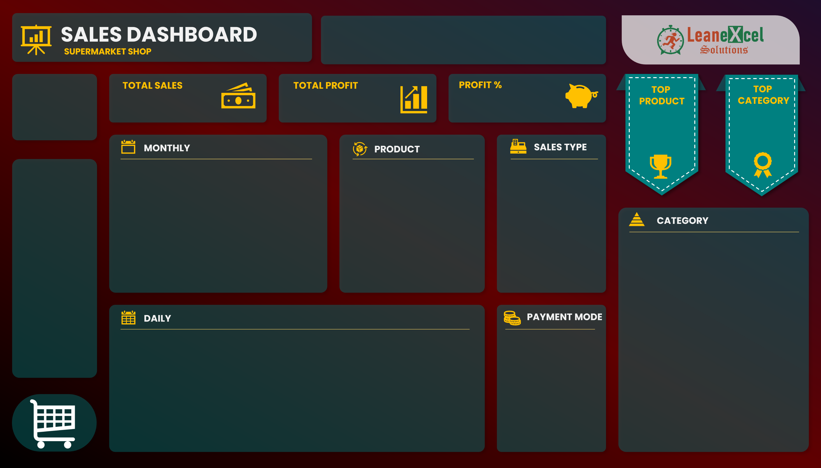
 | Total
1 | ₹ 13,168
2 | ₹ 13,210
3 | ₹ 20,202
4 | ₹ 11,312
5 | ₹ 11,711
6 | ₹ 14,366
7 | ₹ 7,133
8 | ₹ 14,262
9 | ₹ 16,825
10 | ₹ 15,229
11 | ₹ 11,916
12 | ₹ 14,837
13 | ₹ 8,084
14 | ₹ 9,461
15 | ₹ 12,190
16 | ₹ 12,763
17 | ₹ 3,659
18 | ₹ 18,582
19 | ₹ 10,204
20 | ₹ 20,483
21 | ₹ 10,665
22 | ₹ 11,316
23 | ₹ 18,818
24 | ₹ 11,488
25 | ₹ 18,688
26 | ₹ 13,710
27 | ₹ 11,441
28 | ₹ 13,306
29 | ₹ 8,794
30 | ₹ 16,666
31 | ₹ 6,920
 | Sales | Profit
Jan | ₹41,346.96 | ₹7,056.96
Feb | ₹30,857.30 | ₹5,516.30
Mar | ₹28,616.65 | ₹5,179.65
Apr | ₹26,579.11 | ₹5,297.11
May | ₹30,910.45 | ₹4,384.45
Jun | ₹30,533.71 | ₹5,654.71
Jul | ₹35,251.79 | ₹5,373.79
Aug | ₹35,350.40 | ₹5,519.40
Sep | ₹35,242.81 | ₹6,484.81
Oct | ₹33,500.69 | ₹5,658.69
Nov | ₹36,124.07 | ₹6,818.07
Dec | ₹37,097.98 | ₹5,963.98
OVERALL TOP 10 PRODUCTS BY SELLING VALUE
Product41 | 22952.16
Product30 | 22945.92
Product42 | 20574
Product19 | 20160
Product10 | 16428
Product44 | 16333.92
Product32 | 16329.72
Product05 | 15716.61
Product33 | 13645.8
Product02 | 13423.2
 | Total
Direct Sales | 208140.15
Online | 133923.87
Wholesaler | 59347.9
 | Total
Cash | 199516.9
Online | 201895.02
₹ 4,01,411.92
21%
₹ 68,907.92
Product41
22952.16
132
Ft
Category04
₹ 95,269
DONE BY:
SUSHMITHA SUDHARSAN
REFERENCE: YOUTUBE
SALES
PROFIT
PROFIT %

